Finance Accounting Risk Assess
Finance & Accounting Risk Assessment
Score each of the 30 best practices on a scale of 1 to 5 (with 5 highest), the assessment will calculate and give a you a quick snapshot of your level of risk. Your total score will determine your next steps. Enter a "5" for best practices that are not applicable.
 | Category | Best Practice | Enter Your Score: (1 to 5)
1 | Accounting & Reporting [click for more] | Our customers are billed in a timely and accurate manner. And, our suppliers and vendors are paid in a timely and accurate manner.
2 |  | Bank accounts and other key balance sheet accounts are reconciled monthly, prior to financial statements being produced.
3 |  | Our books are closed, and financial statements completed by the 10th of each month.
4 |  | Our internal controls are appropriate for our business size.
5 | Financial Analysis [click for more] | We produce a monthly financial reporting package that includes trend analysis of income statement, balance sheet and cash flows; analysis of budget to actual results; detailed analysis of gross margins and profitability by business segment; and narrative comments and insights for results outside of expectations.
6 |  | We regularly analyze our financial and non-financial information at a level of detail that enables us to closely monitor and manage each segment of the business.
7 |  | We have a financial reporting system that permits the analysis of historical and predicted future trends. This system enhances our insights and understanding of the business, our customers and markets. It is often used in our decision-making process.
8 | Metrics/KPIs/ Value Drivers [click for more] | We are aware of the key performance metrics and targets that drive business performance and corporate enterprise value, both in our company and in our industry.
9 |  | Our organization regularly monitors those key metrics and we quickly address those that are outside of our accepted targets.
10 | Budgeting, Planning & Forecasting [click for more] | We prepare an annual budget and compare actual results on a monthly, quarterly, and annual basis.
11 |  | We have a long-term (3 to 5 year) strategic operating plan and evaluate progress and significant decisions against that plan.
12 |  | We regularly monitor changing marketplace conditions and have a process in place to address any newly discovered impactful changes to our strategic operating plan.
13 | Risk Management, Compliance & Corporate Governance [click for more] | We are keenly aware of our most significant Business Risks and Compliance Requirements. We are effective in monitoring and managing both. We rarely have difficulty with compliance audits.
14 |  | Our organization has an executive charged with Risk and Compliance Management to ensure that any gaps and/or overlaps are minimized and closed.
15 |  | We have a credit evaluation system and periodically analyze the amount of credit we extend to individual customers.
16 |  | At least annually, we evaluate our current fixed assets for replacement, and plan for upgrades, replacement, and expansion of our organization’s needs.
17 |  | Our business’s legal documents (vendor & employment contracts, proposal & P.O. terms & conditions, etc.) have been created and/or evaluated by a legal expert to minimize our exposure to legal action.
18 |  | We regularly monitor and adjust as needed our general liability and other relevant business insurance. We feel our current insurance limits are appropriate to the organizations risk.
19 |  | We have detailed policies, procedures, and training for all employees to address IT behaviors, activities, and cyber security.
20 |  | We have a succession plan in place for the company owners and executive management team.
21 |  | The company has a disaster preparedness plan in place (including business continuity and information technology disaster response), and all employees are trained in their areas of responsibility. We regularly practice and/or test our communications plan.
22 | Treasury Management [click for more] | We have a 12 month rolling cash flow forecast. Our near-term (1-3 month) cash flow forecast is very detailed and has been effective at minimizing surprises related to cash availability and borrowing.
23 |  | We have a debt-to-equity structure that is optimized for our business, industry, and overall strategy, as well as our views on risk.
24 | Cash Flow & Profit Optimization [click for more] | We monitor our inventory and cash conversion cycle times compared to aggressive performance targets. We have been effective in coming close to, or achieving, those targets.
25 |  | We have established targets and monitor margins and profitability of each segment of our business. Those targets include allocation of overheads where appropriate. We are currently close to, or on target in those metrics.
26 |  | We regularly monitor our assets to ensure our ability to generate cash if there is a sudden, substantial need for additional cash flow.
27 | Strategic Financial Resources/Partners [click for more] | Our business has a financially astute Finance & Accounting Leader. They understand the business and our long-term strategy and are an active member of the executive team.
28 |  | Our business has a Board of Directors (or Advisors) that has at least one active finance expert.
29 | Innovation & Digital Transformation | Our company regularly monitors that state of innovation in our industry and develops plans to adopt the tools and technology that are appropriate to a business of our size.
30 |  | Our organization has an executive charged with Innovation & Digital Transformation to ensure that we stay abreast of innovation and technology advancements and they are incorporated into our strategic operating plan.
Your Total Score |  |  | 0

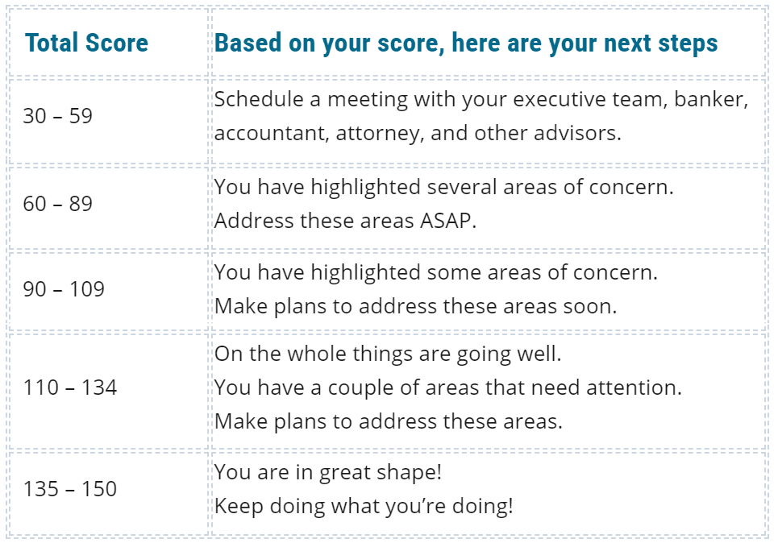

Related Articles:
Financial Risk Assessments - What Are They & Why Your Company Needs One Authored by Becky Todd is an extensive overview of financial risk assessments with a couple of client examples.

The CEO Email Fraud Authored by Larry Numata is a true story and emphasizes why risk assessments are so valuable.

We'd Love to Hear from You!
At your convenience, we will be happy to schedule a complimentary consultation to discuss your needs and business challenges.
To receive more information, or speak with a
CFO Selections® Partner, contact us at 206-686-4480.
You may also contact the locations in Portland or Eastern Washington

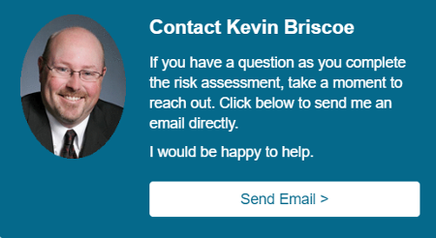

© CFO SELECTIONS www.cfoselections.com

